Indices

 | Iraq Stock Exchange
 | Bulletin No (193)

 | ISX Trading Indices of Tuesday 28/10/2025

 | Traded Volume and OTC |  | 1,888,442,149 |  | Traded Value and OTC |  | 8,180,748,131 |  | Traders | 707

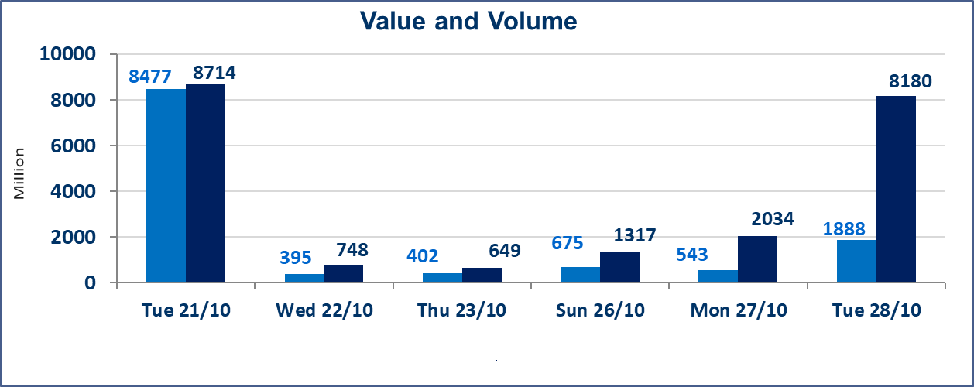
 | ISX Index 60 |  |  | 919.49 | ISX Index 15 |  |  | 1116.17
 | Previous ISX Index60 |  |  | 910.06 | Previous ISX Index15 |  |  | 1108.75
 | Change % |  |  | 1.04 | Change % |  |  | 0.67
 | Change |  |  | 9.43 | Change |  |  | 7.42

 | Listed Companies | 104 | OTC | 11 | Non Traded listed | 49 | OTC | 9
 | Traded Listed Companies | 42 | OTC | 2 | Higher Companies |  |  | 14
 | GAM Companies |  |  | 3 | Lower Companies |  |  | 6
 | Suspended Companies |  |  | 10
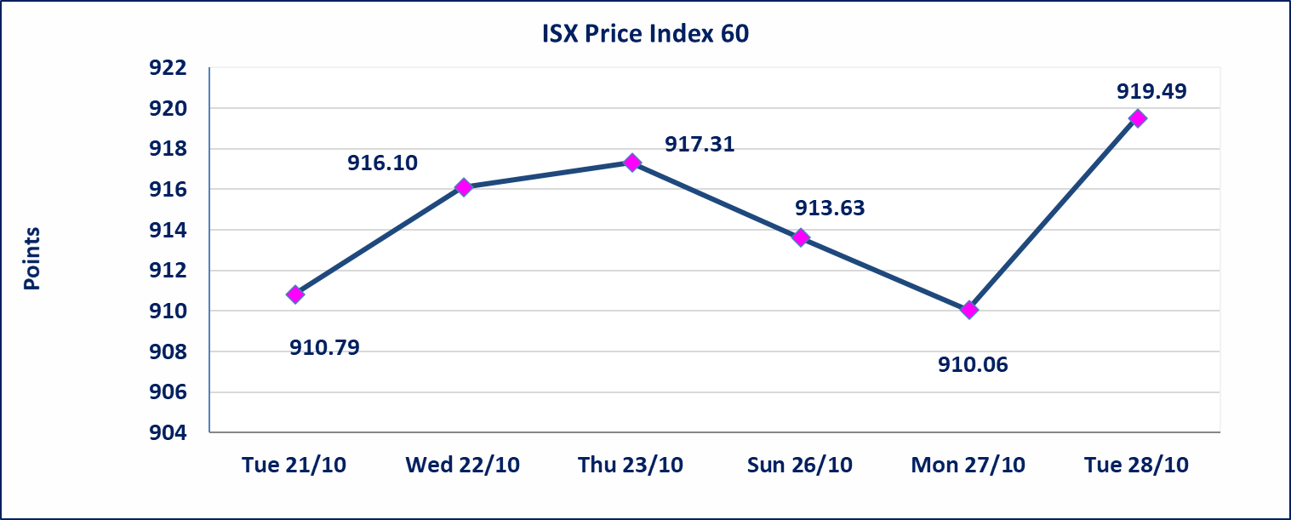
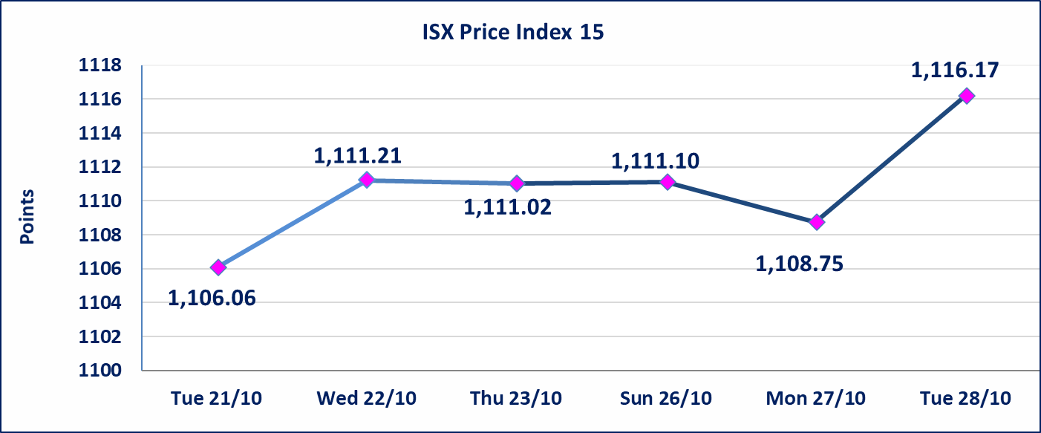

 | special orders | Al-Karmal Brokerage Firm (Sell) and Al-Rafidain Brokerage Firm (Purchase) executed a special order on the shares of Baghdad Soft Drinks Company, with a number of (1,300,000,000) shares, with a value of (5,980,000,000) dinars, during the additional session time (after 1 pm), according to the procedures for executing large transactions.
Al-Alwiya P.O . 3607 Mobile: 07711211522 - 07270094594 - 07834000034 E-mail: info-isx@isx-iq.net Web site:www.isx-iq.net

Top 5
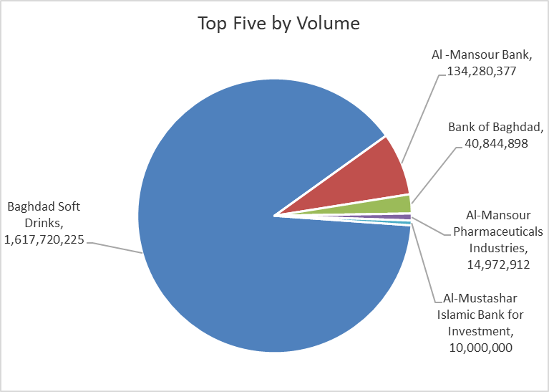
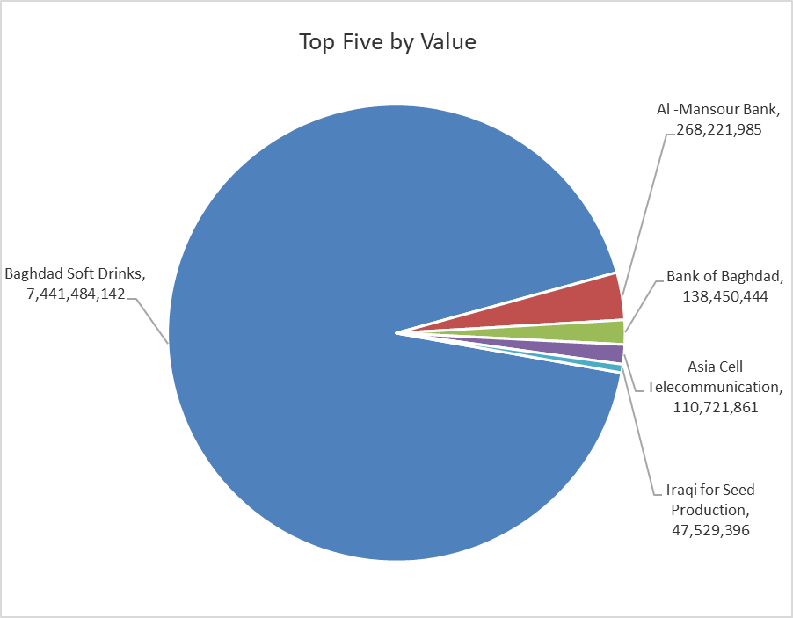
ISX top ganing and losing companies
Tuesday 28/10/2025
Gainers |  |  |  | Losers
Company Name | Closing Price | Change (%) | Traded Volume | Company Name | Closing Price | Change (%) | Traded Volume
Economy Bank | 0.240 | 9.09 | 9,491,933 | AL-Anssari Islamic Bank | 0.580 | -17.14 | 500,000
Al-Ameen for Insurance | 0.890 | 4.71 | 250,000 | Babil Animal & Vegetable Production | 5.640 | -14.93 | 50,000
Iraqi for Seed Production | 5.520 | 4.15 | 8,683,594 | Iraqi Date Processing and Marketing | 2.500 | -3.85 | 100
Gulf Commercial Bank | 0.280 | 3.70 | 5,001,065 | Palestine Hotel | 28.000 | -3.18 | 197,462
Fallujah for construction Materials | 3.410 | 3.33 | 4,950,000 | The Light Industries | 1.180 | -1.67 | 2,601,100

The most active companies in term of traded volume and value

Traded Volume |  |  |  | Traded Value
Company Name | Closing Price | Change (%) | Traded Volume | Company Name | Closing Price | Change (%) | Traded Value
Baghdad Soft Drinks | 4.610 | 0.66 | 1,617,720,225 | Baghdad Soft Drinks | 4.610 | 0.66 | 7,441,484,142
Al -Mansour Bank | 2.000 | 0.00 | 134,280,377 | Al -Mansour Bank | 2.000 | 0.00 | 268,221,985
Bank of Baghdad | 3.400 | 2.72 | 40,844,898 | Bank of Baghdad | 3.400 | 2.72 | 138,450,444
Al-Mansour Pharmaceuticals Industries | 2.430 | 0.00 | 14,972,912 | Asia Cell Telecommunication | 11.880 | 0.34 | 110,721,861
Al-Mustashar Islamic Bank for Investment | 1.000 | 0.00 | 10,000,000 | Iraqi for Seed Production | 5.520 | 4.15 | 47,529,396

Non Iraqis

Iraq Stock Exchange
Non Iraqis' Bulletin Thursday July 24 2025
Regular Market

Non Iraqi Trading of Regular Market (Sell)
Company Names | Code | No.of trades | Traded Shares | Trading Volume
Banks Sector
Bank Of Baghdad | BBOB | 2 | 1,333,333 | 4,506,666
National Bank Of Iraq | BNOI | 1 | 1,222,873 | 5,062,694
Total Bank sector |  | 3 | 2,556,206 | 9,569,360
Grand Total |  | 3 | 2,556,206 | 9,569,360

